MARKET SHARES
MARKET SHARE

ECOMMERCE MARKET SHARE GROWTH OVER THE YEARS

 | 2014 | 2015 | 2016 | 2917 | 2018 | 2019 | 2020 | 2021
SHOPIFY | 0.1% | 0.3% | 0.4% | 0.6% | 0.9% | 1.4% | 1.9% | 3.2%
MAGENTO | 0.9% | 1.1% | 1.2% | 1.2% | 1.2% | 1% | 0.8% | 0.7%
PRESTASHOP | 0.4% | 0.5% | 0.6% | 0.6% | 0.6% | 0.8% | 0.7% | 0.5%
OPENCART |  | 0.3% | 0.4% | 0.4% | 0.4% | 0.4% | 0.5% | 0.6%
BIGCOMMERCE |  | 0.1% | 0.2% | 0.2% | 0.2% | 0.2% | 0.2% | 0.3%

few companies have gained more market share than Shopify in the last 6 years, and none of them have grown as fast:

ECOMMERCE POPULARITY AROUND THE WORLD
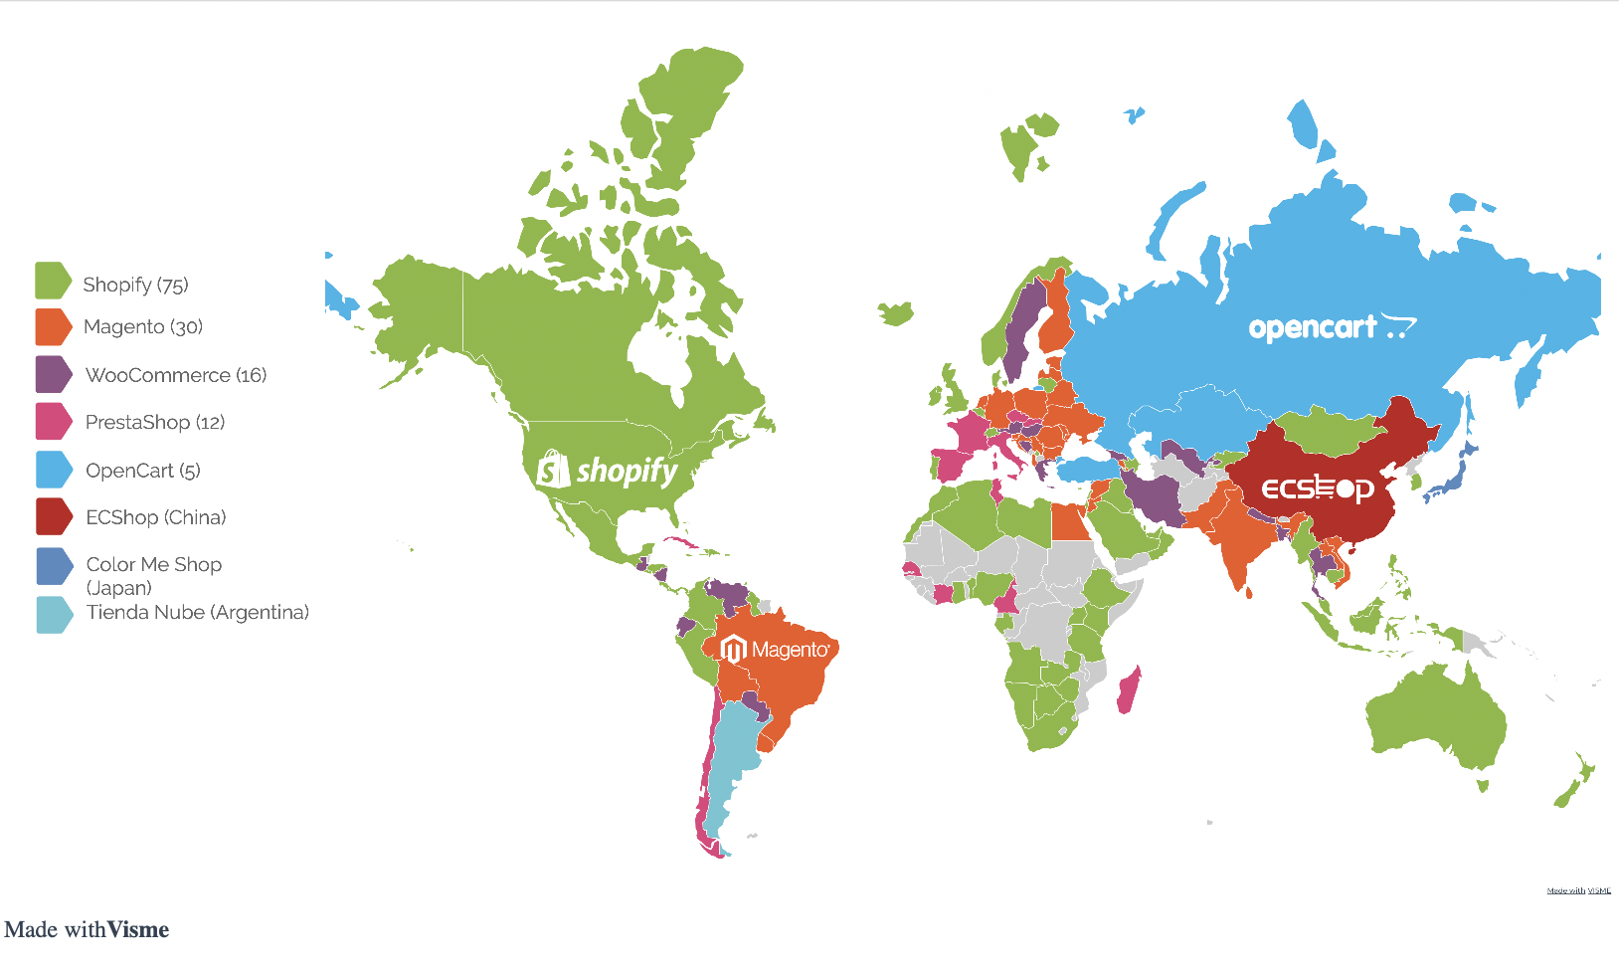

CURRENT ECOMMERCE MARKET SHARE

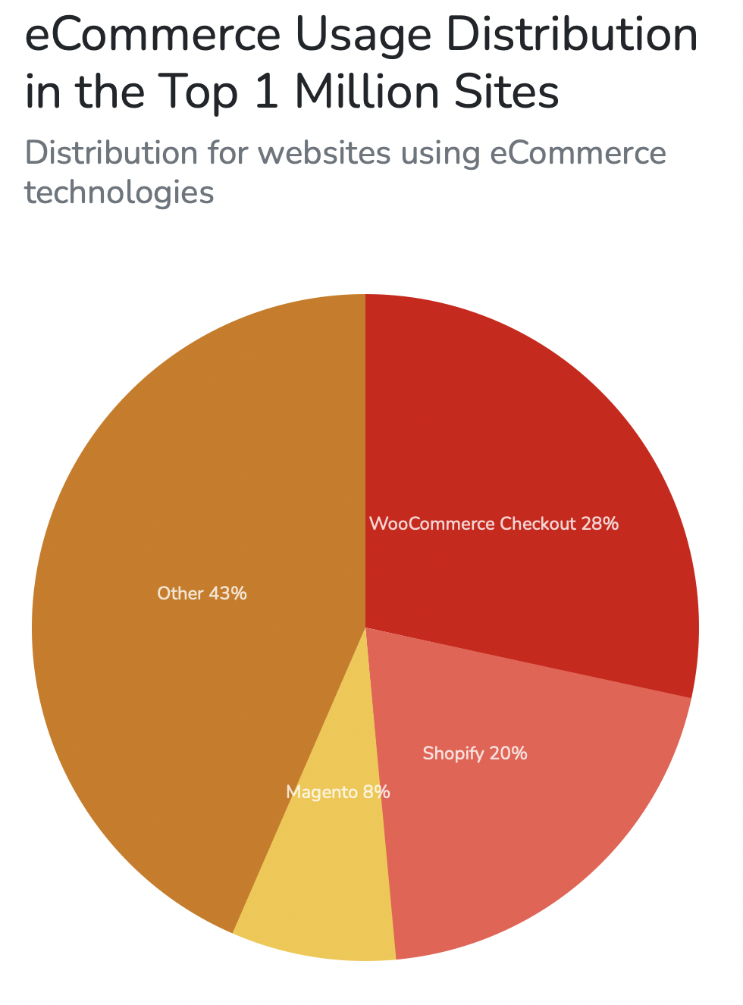
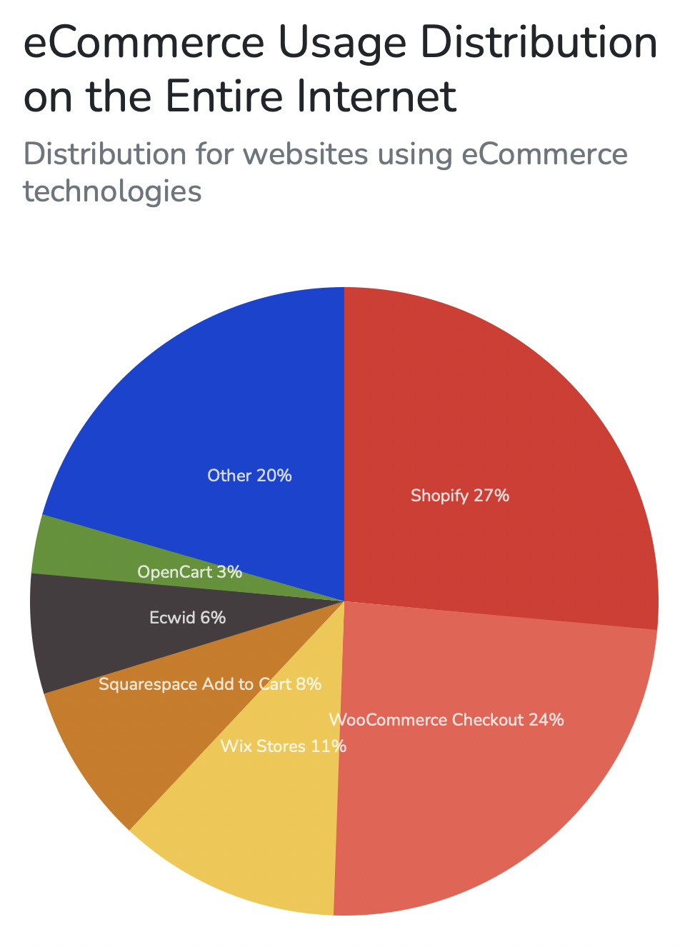

Shopify could lose ground to woocommerce
MARKET SHARE | WooCommerce | Shopify
Whole Internet | 24% | 27%
Top 1M websites | 28% | 21%
Top 100K websites | 17% | 20%
Top 10k websites | 9% | 20%

Could it mean an increasing number of high-quality websites are built with WooCommerce?

ONLINE PRESENCE
ONLINE PRESENCE
 | Shopify is the most searched ecommerce solution

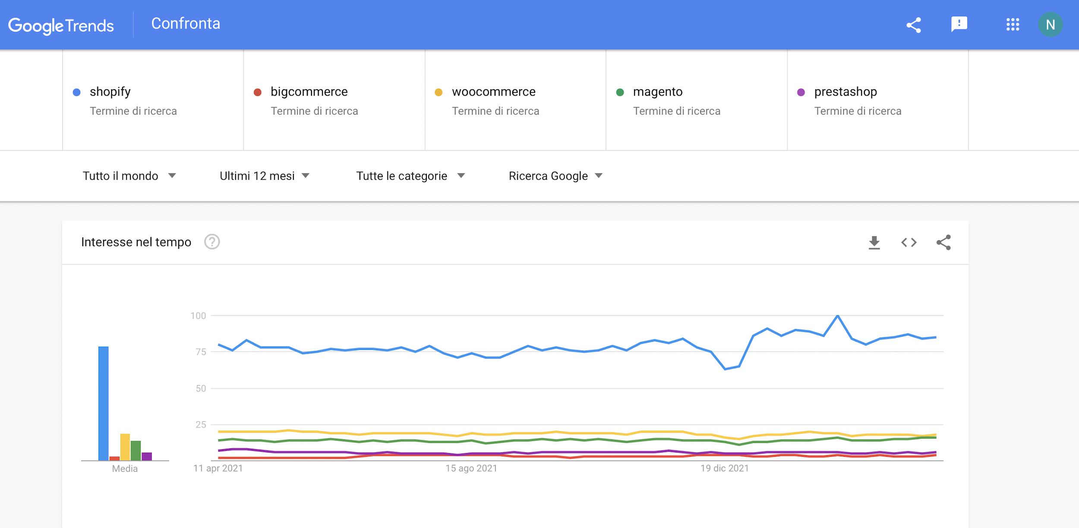
 |  | worldwide search volume on Google (Source Ahrefs):

 |  | SHOPIFY | 3300000.00
 |  | WOOCOMMERCE | 32200.00
 |  | PRESTASHOP | 169000.00
 |  | MAGENTO | 165000.00
 |  | BIGCOMMERCE | 79000.00

 | ONLINE MENTIONS: SHOPIFY VS WOOCOMMERCE

 | worldwide search volume on Google:
 | Shopify |  |  | 3,300,000
 | WooCommerce: |  |  | 322000
 | Prestashop: |  |  | 169000
 | Magento: |  |  | 165000
 | BigCommerce |  |  | 79000

